Current Roster
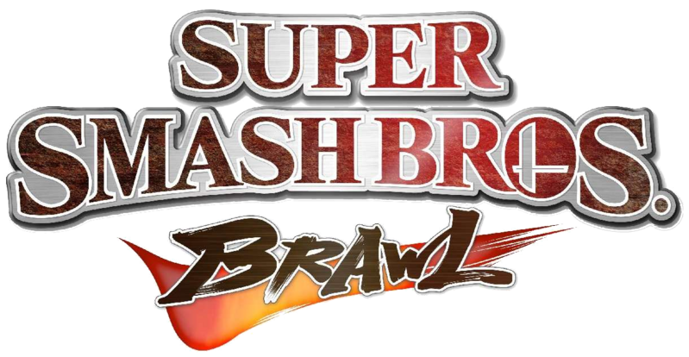
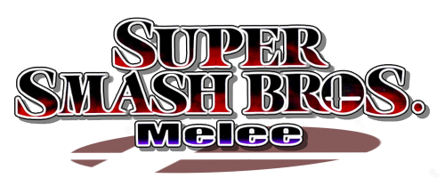
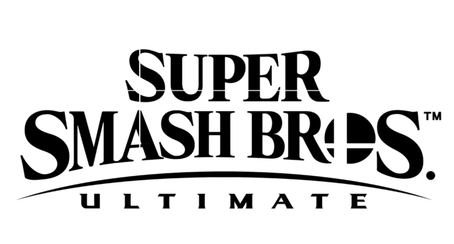

Brawl | Melee | Ultimate
Bowser | Bayonetta | Captain Falcon
Bowser Jr. | Cloud | Chrom
Corrin | Daisy | Dr. Mario
Dark Samus | Dark Pit | Fox
Diddy Kong | DK | Ice Climbers
Erdrick | Duck Hunt | Ike
Falco | Ganondorf | Inkling
Jigglypuff | Greninja | Joker
Ken | Incineroar | King Dedede
Kirby | Isabelle | Little Mac
Luigi | King K. Rool | Lucario
Marth | Link | Mario
Palutena | Lucas | Mega Man
Pichu | Lucina | Meta Knight
Pokemon Trainer | Mewtwo | Pac-Man
Robin | Mr. Game & Watch | Peach
Rosalina & Luma | Ness | Pikachu
Ryu | Olimar | Pit
Samus | Pirahna Plant | ROB
Sheik | Richter Belmont | Roy
Simon Belmont | Ridley | Shulk
Sonic | Wolf | Snake
Toon Link | Yoshi | Villager
Wario | Zelda | Wii Fit Trainer
Young Link

